Instructions
ALL THE COSTS NEED TO BE COMPLIANT WITH THE ELIGIBILITY REQUIREMENTS
REMEMBER:
DURING THE IMPLEMENTATION PERIOD YOU NEED TO PROVIDE SUPPORTING DOCUMENTS
(INVOICES, RECEIPTS, PAYSLIPS, PROOFS OF PAYMENT…) FOR EACH ELIGIBLE COST
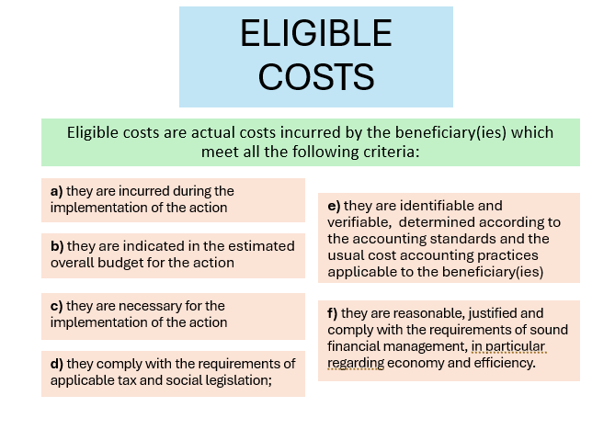
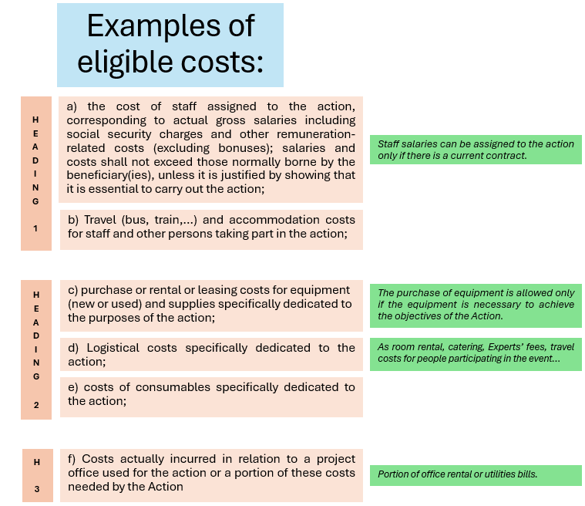

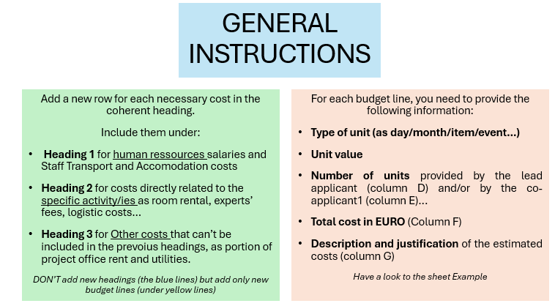

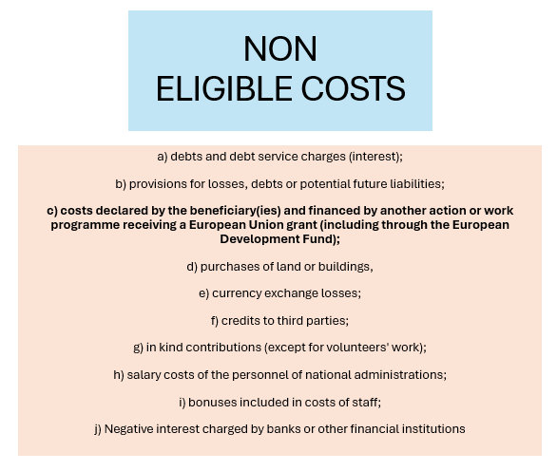

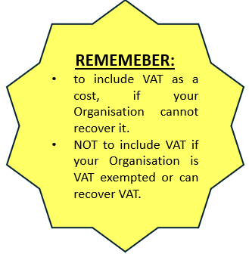

Check the online platform:
you will find some tutorials, info sessions and FAQs that can help you in elaborating your proposal and in assessing the eligibility of your action and the estimated costs.

